MVF exercise
FSR RES Course

 | TASK

 | Calculate the Profitability gap for one technology in one country of your choice

 | You will need these formulae

$$LROE=P∗MVF$$
 |  |  |  |  |  |  |  |  |  |  |  | If country specific data is missing, you can use the EU average

 | COUNTRY |  |  | WIND ONSHORE |  |  |  |  |  |  |  |  |  |  | SOLAR PV

 | Country | Country ID | Electricity Market Price (P) (2018) | Operating time | WACC (r) | CRF | CAPEX (I) | OPEX (M) | Capacity Factor (CF) | Annual production (q) | Market Value Factor (MVF) | LCOE | LROE | Profitability gap | Operating time | WACC (r) | CRF | CAPEX (I) | OPEX (M) | Capacity Factor (CF) | Annual production (q) | Market Value Factor (MVF) | LCOE | LROE | Profitability gap
 |  |  | [EUR2018/MWh] | [years] | (real, pretax) | [%] | [EUR2019/kW], | [EUR2019/kW/year] | % | [MWh/kW] | [2018] | [EUR2018/MWh] | [EUR2018/MWh] | [EUR2018/MWh] | [years] | (real, pretax) | [%] | [EUR2019/kW], | [EUR2019/kW/year] | % | [MWh/kW] | [2018] | [EUR2018/MWh] | [EUR2018/MWh] | [EUR2018/MWh]
 | Austria | AT | 40.00 | 25 | 5.03% | 7.12% | 1,498.3 | 40.0 | 28.0% | 2.45 | 0.976 |  |  |  | 30 |  | 6.60% | 1,154.7 | 10.0 | 13.9% | 1.22 | 1.230
 | Belgium | BE | 39.30 | 25 | 3.50% | 6.07% | 1,293.8 | 40.0 | 32.0% | 2.80 | 0.956 |  |  |  | 30 |  | 6.60% | 1,164.6 | 10.0 | 12.3% | 1.08 | 1.146
 | Bulgaria | BG | 46.60 | 25 | 3.25% | 5.91% | 1,351.1 | 40.0 | 23.0% | 2.01 | 0.978 |  |  |  | 30 | 3.25% | 5.27% | 853.4 | 10.0 | 15.2% | 1.33 | 1.175
 | Croatia | HR | 46.90 | 25 | 8.51% | 9.78% | 1,289.5 | 40.0 | 24.0% | 2.10 | 0.979 |  |  |  | 30 |  | 6.60% | 1,059.0 | 10.0 | 14.0% | 1.23 | 1.286
 | Cyprus | CY | 60.00 | 25 | 5.34% | 7.34% | 1,486.7 | 40.0 | 20.0% | 1.75 | 0.956 |  |  |  | 30 | 5.12% | 6.59% | 1,156.0 | 10.0 | 18.5% | 1.62 | 1.158
 | Czech Republic | CZ | 39.30 | 25 | 4.09% | 6.46% | 1,486.7 | 40.0 | 24.0% | 2.10 | 0.992 |  |  |  | 30 | 3.49% | 5.43% | 878.0 | 10.0 | 13.2% | 1.16 | 1.184
 | Denmark | DK | 38.70 | 25 | 2.29% | 5.30% | 1,696.4 | 40.0 | 37.0% | 3.24 | 0.922 |  |  |  | 30 |  | 6.60% | 952.4 | 10.0 | 11.2% | 0.98 | 1.204
 | Estonia | EE | 44.10 | 25 | 7.04% | 8.61% | 1,486.7 | 40.0 | 27.0% | 2.37 | 0.939 |  |  |  | 30 | 6.00% | 7.26% | 1,007.9 | 10.0 | 10.6% | 0.93 | 1.289
 | Finland | FI | 43.50 | 25 | 3.79% | 6.26% | 1,426.6 | 40.0 | 29.0% | 2.54 | 0.960 |  |  |  | 30 |  | 6.60% | 600.0 | 10.0 | 9.4% | 0.82 | 1.296
 | France | FR | 40.40 | 25 | 3.30% | 5.94% | 1,575.9 | 40.0 | 27.0% | 2.37 | 0.965 |  |  |  | 30 | 2.78% | 4.96% | 1,172.8 | 10.0 | 13.9% | 1.22 | 1.226
 | Germany | DE | 36.70 | 25 | 1.73% | 4.96% | 1,573.2 | 40.0 | 24.0% | 2.10 | 0.846 |  |  |  | 30 |  | 6.60% | 905.7 | 10.0 | 12.4% | 1.09 | 1.020
 | Greece | EL | 59.50 | 25 | 7.46% | 8.94% | 1,474.7 | 40.0 | 28.0% | 2.45 | 0.894 |  |  |  | 30 | 7.20% | 8.22% | 1,061.1 | 10.0 | 16.0% | 1.40 | 1.071
 | Hungary | HU | 47.30 | 25 | 1.31% | 4.72% | 1,427.3 | 40.0 | 23.0% | 2.01 | 0.987 |  |  |  | 30 | 2.31% | 4.66% | 1,092.3 | 10.0 | 13.9% | 1.22 | 1.252
 | Ireland | IE | 46.20 | 25 | 7.76% | 9.18% | 1,518.4 | 40.0 | 45.0% | 3.94 | 0.721 |  |  |  | 30 |  | 6.60% | 1,007.9 | 10.0 | 10.8% | 0.95 | 1.298
 | Italy | IT | 48.10 | 25 | 5.63% | 7.55% | 1,491.1 | 40.0 | 25.0% | 2.19 | 0.947 |  |  |  | 30 |  | 6.60% | 879.5 | 10.0 | 15.4% | 1.35 | 1.054
 | Latvia | LV | 43.90 | 25 | 7.77% | 9.18% | 1,486.7 | 40.0 | 28.0% | 2.45 | 0.995 |  |  |  | 30 | 11.44% | 11.90% | 1,007.9 | 10.0 | 10.8% | 0.95 | 1.299
 | Lithuania | LT | 43.50 | 25 | 7.19% | 8.73% | 1,486.7 | 40.0 | 29.0% | 2.54 | 0.909 |  |  |  | 30 |  | 6.60% | 1,007.9 | 10.0 | 11.4% | 1.00 | 1.275
 | Luxembourg | LU | 36.70 | 25 |  |  | 1,697.2 | 40.0 |  | 2.37 | 0.964 |  |  |  | 30 |  | 6.60% | 1,007.9 | 10.0 | 13.0% | 1.14 | 1.239
 | Malta | MT | 55.60 | 25 |  |  |  | 40.0 | 27.0% | 2.37 | 1.000 |  |  |  | 30 |  | 6.60% | 1,007.9 | 10.0 | 18.8% | 1.65 | 1.277
 | Netherlands | NL | 39.40 | 25 | 2.64% | 5.51% | 1,516.0 | 40.0 | 32.0% | 2.80 | 0.943 |  |  |  | 30 | 3.64% | 5.53% | 1,093.9 | 10.0 | 12.1% | 1.06 | 1.191
 | Poland | PL | 49.10 | 25 | 2.99% | 5.73% | 1,331.8 | 40.0 | 26.0% | 2.28 | 0.927 |  |  |  | 30 |  | 6.60% | 1,037.1 | 10.0 | 12.0% | 1.05 | 1.294
 | Portugal | PT | 41.00 | 25 | 6.21% | 7.98% | 1,385.7 | 40.0 | 23.0% | 2.01 | 0.774 |  |  |  | 30 | 6.21% | 7.43% | 891.5 | 10.0 | 16.5% | 1.45 | 1.235
 | Romania | RO | 47.00 | 25 | 4.41% | 6.68% | 1,671.5 | 40.0 | 23.0% | 2.01 | 0.933 |  |  |  | 30 | 4.27% | 5.97% | 838.8 | 10.0 | 14.1% | 1.24 | 1.196
 | Slovakia | SK | 41.00 | 25 |  |  | 1,486.7 | 40.0 | 24.0% | 2.10 | 1.000 |  |  |  | 30 |  | 6.60% | 1,186.6 | 10.0 | 13.4% | 1.17 | 1.231
 | Slovenia | SI | 46.20 | 25 | 3.40% | 6.00% | 1,223.6 | 40.0 | 20.0% | 1.75 | 1.000 |  |  |  | 30 |  | 6.60% | 1,174.3 | 10.0 | 14.1% | 1.24 | 1.241
 | Spain | ES | 41.10 | 25 | 5.85% | 7.71% | 1,385.7 | 40.0 | 26.0% | 2.28 | 0.820 |  |  |  | 30 | 5.85% | 7.15% | 824.2 | 10.0 | 16.7% | 1.46 | 1.200
 | Sweden | SE | 38.70 | 25 | 5.06% | 7.14% | 1,200.0 | 40.0 | 30.0% | 2.63 | 0.967 |  |  |  | 30 |  | 6.60% | 1,007.9 | 10.0 | 9.7% | 0.85 | 1.290
 | United Kingdom | UK | 46.70 | 25 | 4.08% | 6.45% | 1,692.9 | 40.0 | 34.0% | 2.98 | 0.913 |  |  |  | 30 | 4.49% | 6.13% | 1,189.5 | 10.0 | 10.7% | 0.94 | 1.167

 | EU Average |  | 44.44 | 25 | 4.81% | 7.03% | 1,459.5 | 40.0 | 27.1% |  | 0.935 | #DIV/0! | #DIV/0! | #DIV/0! | 30 | 5.13% | 6.64% | 1,001.1 | 10.0 | 13.5% |  | 1.217 | #DIV/0! | #DIV/0! | #DIV/0!

 |  |  |  |  |  |  |  |  | 2,372 |  |  | - |  |  |  |  |  |  |  | 1,179 |  |  | -
 |  |  |  |  |  |  |  |  | FLH |  |  | - |  |  |  |  |  |  |  | FLH |  |  | -

 | SOURCE
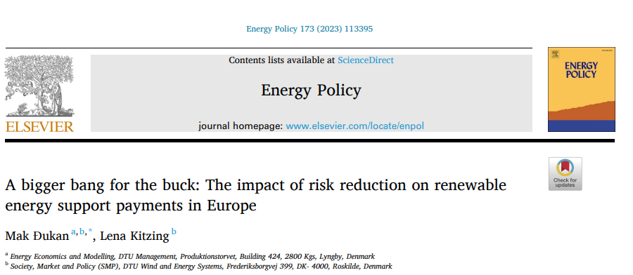

 | https://www.sciencedirect.com/science/article/pii/S0301421522006140?via%3Dihub

Published as full open access

 | https://backend.orbit.dtu.dk/ws/portalfiles/portal/303306936/1_s2.0_S0301421522006140_main.pdf

